ASSIGNMENT PROBLEM
DATA TABLE |  | OFFICES
 |  | OMAHA | MIAMI | DALLAS | NY
NEW HIRES | JONES | $800 | $1,100 | $1,200 | $1,000
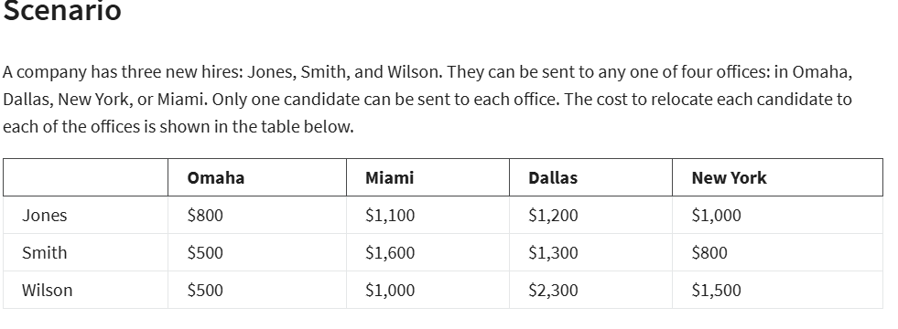
 | SMITH | $500 | $1,600 | $1,300 | $800
 | WILSON | $500 | $1,000 | $2,300 | $1,500

ASSIGNMENT TABLE: |  | OFFICES
 |  | OMAHA | MIAMI | DALLAS | NY | TOTAL | SIGN | EACH CANDIDATE PER OFFICE
NEW HIRES | JONES | 0 | 1 | 0 | 0 | 1 | = | 1
 | SMITH | 0 | 0 | 0 | 1 | 1 | = | 1
 | WILSON | 1 | 0 | 0 | 0 | 1 | = | 1
 | TOTAL | 1 | 1 | 0 | 1
 |  | <= | <= | <= | <=
 |  | 1 | 1 | 1 | 1

OBJECTIVE(MIN):
TOTAL COST: | 2400

SOLUTION:
TOTAL COST: | 2400
AND ASSIGNMENT IS: | ASSIGNMENT TABLE: |  | OFFICES
 |  |  | OMAHA | MIAMI | DALLAS | NY
 | NEW HIRES | JONES | 0 | 1 | 0 | 0
 |  | SMITH | 0 | 0 | 0 | 1
 |  | WILSON | 1 | 0 | 0 | 0

